Table Notes
 | About this data | Back to Index

About these statistics
Data source | The source of data for this indicator changed in 2024 from ENROL to Early Learning Information (ELI), an electronic system used by licensed early childhood education services. This data dates back to December 2018 in line with the introduction of adaptation of ELI. Attendance data from ELI is used to report on the ECE prior participation rates and numbers. While ELI is the primary data source for this report, ENROL is still used in cases where a child cannot be found in ELI (if they attended a service that does not use ELI to report daily attendance data, or if they attended ECE outside of New Zealand). ENROL is an electronic enrolment system used by schools and kura, which captures some information about children's participation in ECE as provided by the parents/caregivers. Some services (primarily ngā kōhanga reo and playgroups) do not use ELI to report daily attendance data. Therefore, the data for these children will be sourced from ENROL. Note: PPN8, PPN9 and PPN10 tables are sourced from ELI only. ENROL still remains the source for the population of these datasets as they are based on children who started school in the 12 months leading up to the current quarter.
Prior participation rates and numbers | These tables show how many children have regularly attended Early Childhood Education (ECE) in the six months prior to starting school. The prior ECE participation rate is defined as (number who had regularly attended ECE /(number who had regularly attended ECE + number who had not regularly attended ECE))*100. The number of students with unknown prior ECE attendance has been excluded (from both the numerator and denominator) when calculating participation rates. The value 'n' is used for cells with small numbers of total new entrants (less than 5). Prior participation rates in these cases often are subject to large fluctuations and may not provide a very reliable basis for comparison with other categories.
Value 'n' | The value 'n' is used for cells with small numbers of total new entrants (less than 5). The value 'n' is used to suppress the prior participation numbers. This is to protect the privacy of the children in this area. Furthermore, prior participation rates in these cases often are subject to large fluctuations and may not provide a very reliable basis for comparison with other categories.
Period | Each period represents a rolling year ended quarter. For example, data for the year ended March 2026 relates to all children starting school between 1 April 2025 and 31 March 2026.
Ethnicity | Ethnicity data in this report is sourced from ENROL. Prior ECE participation uses Total Response Ethnicity, where a child is counted once under each ethnicity they belong to (as nominated by the parent/caregiver enrolling them at the early childhood education service) and once under the total. Therefore, the number of students in the 'Total' column will generally be less than the sum of the students in each group. Students with unknown ethnicity are not shown separately but are included in the Totals. Children have been grouped into European/Pākehā, Māori, Pacific, Asian, Other, and total for the purposes of reporting.
Distribution of weekly hours | The average weekly hours a child attended in the six months prior to starting school. The average weekly hours are calculated as total attended hours divided by the number of weeks attended. Children have been grouped into 0-5 hours, 5-10 hours, 10-15 hours, 15-20 hours, 20-25 hours, 25-30 hours, 30-35 hours, 35-40 hours, more than 40 hours and more than 5 years.
Distribution of number of years attended | The number of months/years a child attended ECE. The number of years/months attended is defined as the difference between the first attendance date in ECE and the first attendance in School. Children have been grouped into For 0-3 months, For 4-6 months, For 7-12 month, For 12-24 month (1-2 years), For 25-36 month (2-3 years), For 37-48 month (3-4 years), For 49-60 month (4-5 years) and For more than 5 years.
Correspondence School/ Home-schooling | In tables with numbers of children attending ECE by geographic location, e.g. Regional Council, Territorial Authority and Auckland Boards, and Education Area, the totals also include those children enrolled in the Correspondence School, or in home-schooling. These students are not included in any of the geographic areas, therefore the total number of students will be higher than the sum of students across each geographic area.
Regional Council | The Regional Council area the school is located in. In tables with Regional Council, the totals include those children enrolled in the Correspondence School, in home-schooling or area outside Region. These students are not included in any of the geographic areas, therefore the total number of students will be higher than the sum of students across each geographic area.
Territorial Authority | The Territorial Authority area the school is located in. Because of its size, data for Auckland City includes a breakdown by Local Board Area. Note that territorial authorities do not always correspond to regional council borders. In tables with territorial authority, the totals include those children enrolled in the Correspondence School, or in home-schooling. These students are not included in any of the geographic areas, therefore the total number of students will be higher than the sum of students across each geographic area.
Local Board Area | Local Board Areas are included for Auckland City, in tables with territorial authority. Data for Auckland City incorporates the changes in 2010 to a single "super city". Hence, because of its size, data for Auckland City includes a breakdown by Local Board Area.
Education Area | The education area the school is located in. These are administrative areas created by the Ministry of Education and aligned with the Ministry’s local offices. Note: In April 2023, the Auckland region was divided into three separate regions. These new regions are: Tāmaki Herenga Tāngata, Tāmaki Herenga Manawa, Tāmaki Herenga Waka and this applied retrospectively to data prior to April 2023. The total also includes those children attending home schooling, the Correspondence School and students whose school campus has no distinct edication area.
Equity Index Bands and Groups | 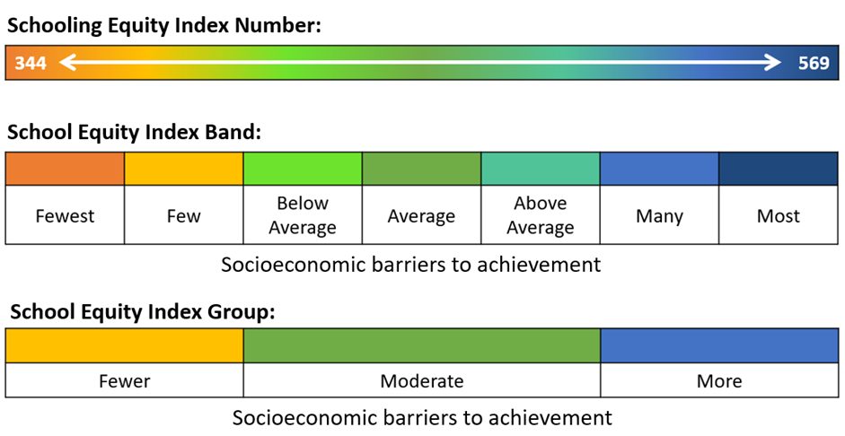 The Schooling Equity Index (EQI) is a statistical model that estimates the extent to which students face socio-economic barriers to achievement at school. The information that this model provides allows the Ministry of Education to better target resourcing to mitigate the impact of socio-economic barriers. There are seven School Equity Index Bands, each containing approximately the same number of schools. Schools are placed into a band based on their Equity Index number. There are three School Equity Index Groups formed by collapsing the seven School Equity Index Bands as indicated in the following diagram. Note: Not all schools have an Equity Index Band or Group. Find more information about the School Equity Index Bands and Groups here: https://www.educationcounts.govt.nz/data-services/guidelines/school-equity-index-bands-and-groups. School Equity Index Bands and Groups were released in 2023 and then are anually updated. 2023 EQI Bands and Groups were applied to data prior to 2023.

